With AVC ATC AFC
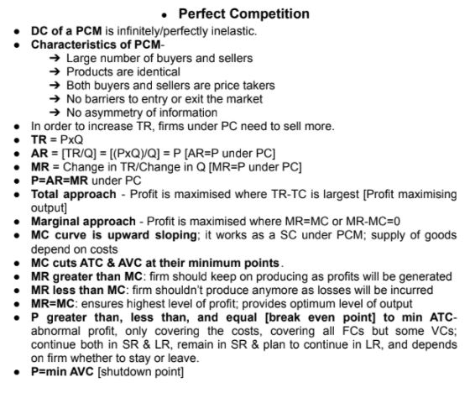
Quantity | Fixed Cost | Variable Cost | Total Cost | Avg Fixed Cost | Avg Variable Cost | Average Total Cost |  | Price | Total Revenue | Avg Revenue | Marginal revenue | Marginal Cost |  | Profit
Q | FC | VC | TC=FC+VC | AFC=FC/Q | AVC=VC/Q | ATC=AFC+ATC | ATC=TC/Q | P | TR | AR=TR/Q | MR | MC | MR-MC | TR-TC

0 | 100 | 0 | 100 |  |  |  |  | 21 | 0 |  |  |  |  | -100
10 | 100 | 200 | 300 | 10 | 20 | 30 | 30 | 21 | 210 | 21 | 21 | 20 | 1 | -90
20 | 100 | 300 | 400 | 5 | 15 | 20 | 20 | 21 | 420 | 21 | 21 | 10 | 11 | 20
30 | 100 | 480 | 580 | 3.333333333 | 16 | 19.33333333 | 19.33333333 | 21 | 630 | 21 | 21 | 18 | 3 | 50
40 | 100 | 700 | 800 | 2.5 | 17.5 | 20 | 20 | 21 | 840 | 21 | 21 | 22 | -1 | 40
50 | 100 | 1000 | 1100 | 2 | 20 | 22 | 22 | 21 | 1050 | 21 | 21 | 30 | -9 | -50

 | Total approach - Profit is maximised where TR-TC is largest [Profit maximising Output }
 | Breakeven point= Lowest ATC
 | If, P>ATC, P<ATC and P= min ATC [break even point] ATC- abnormal profit, only covering the costs, covering all FCs but some VCs;
 | continue both in SR & LR, remain in SR & plan to continue in LR, and depends on firm whether to stay or leave.

 | Shutdown Point= Lowest AVC |  |  | #If P<min AVC then the firm can not even cover its fixed cost and can't continue their business anymore, immeduately needs to shut down their business
 |  |  |  | #P=min AVC, its shutdown point, the firm should not go for any new production rather just need to continue to coverup its fixed cos & need to wait for the price
 |  |  |  | level increase so that, they can continue in the long run. However, this is regarded as temporary situation which can turn towards a positive condition, if the
 |  |  |  | market price rises in the long run.
 |  |  |  | #If, P>min AVC in the long run, the firm may cover its Fixed cost in future, a chance to reopen the business in future.
 |  |  |  | But, if does not reopen, it becomes long run decision and the firm leaves or exits from the market

 | Profit maximizing : MR=MC is the highest level of profit, MC>MR--> the firm should produce and sell more, MC<MR--> the firm should produce and sell less

 | MR=AR is the perfect competition-->
 | P=AR=MR under PC

 | If Profit=0, then d/dx(profit)=d/dx(TR)-d/dx(TC) => d/dx(0)=d/dx(TR)-d/dx(TC) => 0= MR-MC ;[as d/dx(TR)=MR and d/dx(TC)= MC] => So, MR=MC which is the profit maximization

 | Perfect Competition MR-MC=0 => MR=MC which is profit maximization

